Sheet1
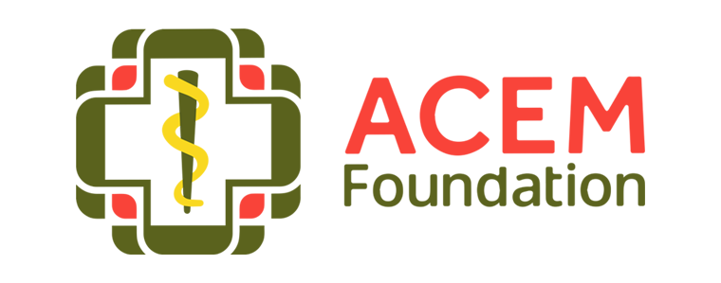

 |  |  |  |  |  |  | Document No: | FND926

 |  |  |  |  |  |  | Last revised: | Nov-24
 |  |  |  |  |  |  | Version No: | V1
Budget Proposal

2026 ACEM FOUNDATION KELLY RESEARCH GRANT

* Please budget for any anticipated bank fees. Any fees charged to the recipient cannot be reimbursed by ACEM
** If preparing proposed budget in local currency, please enter the appropriate AUD exchange rate in the allocated cell below so final budget expressed in AUD
*** Please submit this completed form as an attachment with your application form
Project Name:
Partner Organisation:
 |  | Please note all text italics in red are examples only - please replace with your project details
Item | Unit | No. of units | Cost per unit | Total cost | Org. contribution | Other donor contributions | Kelly Research Grant request | Budget Notes
Example Training Day 1
Venue Day1 | Room | 2 | 600 | 1,200.00 |  | 50.00 | 1,150.00
Lunch Day 1 | Participants | 50 | 8 | 400.00 | 100.00 | 50.00 | 250.00 | Includes water throughout the day
Stationary Day 1 | Participants | 50 | 5 | 250.00 | 50.00 | - | 200.00
Example Training Day 2
Venue Day 2 | Room | 2 | 600 | 1,200.00 |  | 50.00 | 1,150.00
Lunch Day 2 | Participants | 50 | 8 | 400.00 | 200.00 | 50.00 | 150.00 | Includes water throughout the day
Stationary Day 2 | Participants | 50 | 5 | 250.00 | 50.00 | - | 200.00
Example IT training |  |  |  | - |  |  | -
Staff refreshments | Staff | 20 | 8 | 160.00 | 100.00 | 60.00 | - | Includes lunch and water throghout the day
Trainer | Hour | 100 | 100 | 10,000.00 | 6,000.00 | - | 4,000.00
Bank Fees*
Total in local currency |  |  |  | 13,860.00 | 6,500.00 | 260.00 | 7,100.00
Exchange Rate ** Currency - AUD | 0.7694
Australian Dollar Equivalent |  |  |  | 18,012.95 | 8,447.63 | 337.91 | 9,227.41

